Case #1
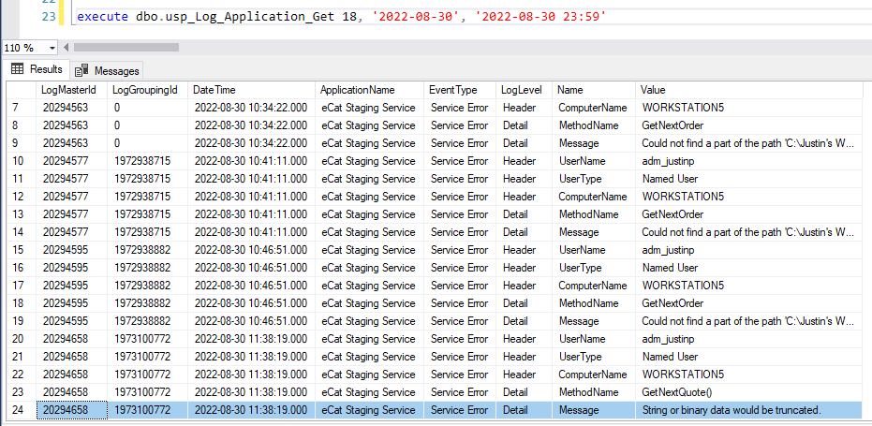
Justin Pope Dev Test
Test Case No. |  | 1
Process |  | Test Updated Error Handling
Test Consideration |  | 1) Running the Test WinForm application within Visual Studios 2) All updates are validations and will not update data
Test Condition |  |  | Data Used | How To Verify | Actual Results
Tasks
1 |  | Add Staged Record | Create Stage records with data that would be invalid to current procedure [ESS].[usp_Stage_Quote_Raw_Put] | query database | screen shot
2 |  | Run application and watch process | Query Records and see that they have been processed and see the error log. | query database | screen shot
Configuration/Data Setup for Testing Scenario
1 |  | Running from Visual Studio
2 |  | Added the Staged record manually

Verification

Test Cast Screens Shots Before and After

 |  | Staged Records

 | StagedRow | RawDocmentText |  |  | Error
 | 22533 | {"gwc_split_order":"false","additional_fields":{"promocode":"NONE","promo_code":null,"billto_deliverytype":"White Glove","shippingterms":"Delivery Local","order_origin":"Chestnut Hill Store","shipment_preference":null,"billto_shipmentrequest":"As Available","billto_addresstype":"Residential"},"bill_to_address_changed":false,"ship_to_address_changed":false,"bill_to_line1":"707 Matsonford Road Villanova, PA 19085","bill_to_line2":"","bill_to_city":"","bill_to_company_name":"Claudia Schmidt Interior Designer INC","bill_to_country":"","bill_to_postal_code":"","bill_to_state":"","buyer_first_name":"Claudia Schmidt Interior Designer INC","buyer_last_name":"SCHMIDT","customer_email_address":"claudia@balongue.com","customer_number":"","customer_phone_number":"610-636-0120","customer_po_number":"55063-081122-662","discount_amount_cents":null,"discount_percent":null,"ecat_version":"2021.6.1.1","id":1021350,"is_exported":false,"is_submitted":true,"notes":"Designer trade program 50% of retail.\n\nItem not in stock until September 30/2022","order_items":[{"gwc_stock_code_override":"(none)","discount_notes":["(50% discount, original price $3,956.00)"],"has_discount":true,"option_notes":[],"calculated_price":1978.0,"line_notes":[],"extended_price":1978.0,"extended_product_volume":42.63,"description":"Alexandra Dresser","item_number":"SCH-166295","item_price":3956.0,"matrix_option_item_code":null,"options":[],"quantity":1,"units_per_carton":1,"custom_fields":{"i.qty_available":0,"i.qty_in_transit":0,"i.qty_on_hand":27,"i.qty_in_showroom":0,"StockEta":"Sep 18, 2022","ProductStatus":"Current","AvailableAtlantaStore":"0","AvailableAustinStore":"0","AvailableCharlotteStore":"0","AvailableChestnutHillStore":"1","AvailableJacksonvilleStore":"0","AvailableNashvilleStore":"0","AvailablePelhamOutlet":"1","AvailableRaleighStore":"0","AvailableRichmondStore":"0","AvailableSanAntonioStore":"0","AvailablePelhamShowroom":"0","AvailableStLouisStore":"0","AvailableWinterParkStore":"0","Introductio |  |  | ship_to_company_name is longer than 100 characters and will error out usp_Stage_Quote_Raw_Put

Case #3
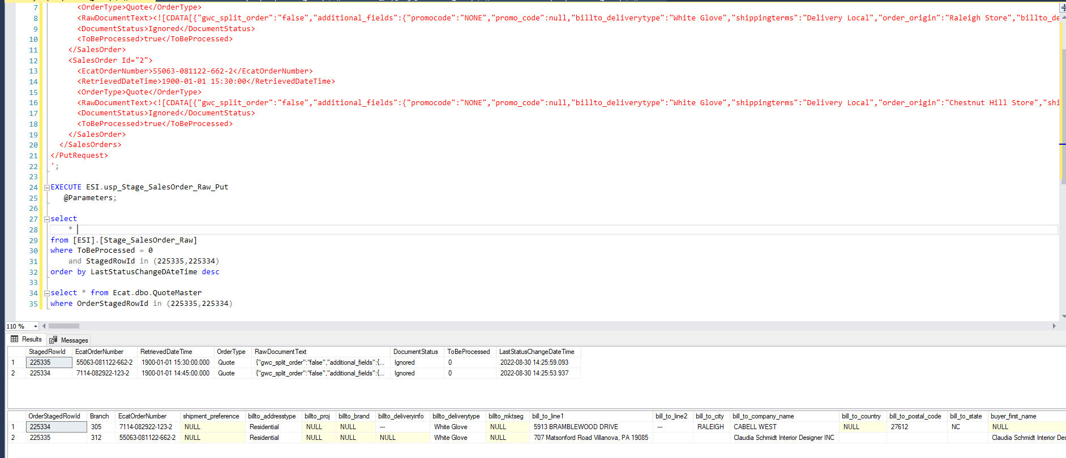
Justin Pope Dev Test
Test Case No. | 3
Process | Deploy program to dev 7syspro and watch it run as normal
Test Consideration | 1) Let the service run on dev 7Syspro
Test Condition |  | Data Used | How To Verify | Actual Results
Tasks
1 | Deploy program on dev Syspro7 |  | screen shot | screen shot
2 | Add Staged Record | Set records to comfirm error handling is working and that the quote will work | query database | screen shot
3 | Run application and watch process | Query Log Events to confirm that Errors were recorded Query Ecat.dbo.QuoteMaster and Ecat.dbo.QuoteDetail that the quotes were imported | query database | screen shot
Configuration/Data Setup for Testing Scenario
1 | Running from Visual Studio
2 | Added the Staged record manually

Verification
Test Cast Screens Shots Before and After

